graph
ToM | Number of children in this category | number of children chose ToM | percentage of choosing ToM | Germ | Number of children in this category | Number of children chose Germ | Percentage of choosing Germ | Psychosomatic | Number of children in this category | Number of children chose Psychosomatic | Percentage of choosing psychosomatic | Total | Number of children in this category | Number of children chose the domain | Percentage of choosing the domain |  | Chi-squared
Certain wrong belief | 20 | 11 | 55.00% |  | 11 | 5 | 45.45% |  | 15 | 10 | 66.67% |  | 46 | 26 | 56.52%
Uncertain belief | 13 | 6 | 46.15% |  | 19 | 12 | 63.16% |  | 31 | 12 | 38.71% |  | 63 | 30 | 47.62%
Certain correct belief | 13 | 2 | 15.38% |  | 24 | 12 | 50.00% |  | 8 | 4 | 50.00% |  | 45 | 18 | 40.00% |  | https://www.graphpad.com/quickcalcs/contingency1/
 | 46 |  |  |  | 54 |  |  |  | 54 |  |  |  | 154

 |  |  |  |  | ToM | Germ | Psychosomatic | Across domains
 |  |  |  | Certain wrong belief | 0.69230769231 | 0.55555555556 | 0.72727272727 | 0.66666666667
 |  |  |  | Uncertain belief | 0.6 | 0.69230769231 | 0.5 | 0.57777777778
 |  |  |  | Certain correct belief | 0.25 | 0.64705882353 | 0.33333333333 | 0.48387096774

Percentage of children choosing to learn about the tested domain
 |  | General ToM book bias | Distance from the general book bias |  |  | General Germ book bias | Distance from the general book bias |  |  |  | General Psychosomatic book bias | Distance from the general book bias |  |  | Distance from the general book bias across three domains weighted the total number of children in each group
 |  | 0.4130434783 | 13.70% | 2.739130435 |  | 0.537037037 | -8.25% | -0.9074074074 |  |  | 0.4814814815 | 18.52% | 2.777777778 |  | 4.609500805 | 0.1002065392
 |  |  | 4.85% | 0.6304347826 |  |  | 9.45% | 1.796296296 |  |  |  | -9.44% | -2.925925926 |  | -0.499194847 | -0.00792372773
 |  |  | -25.92% | -3.369565217 |  |  | -3.70% | -0.8888888889 |  |  |  | 1.85% | 0.1481481481 |  | -4.110305958 | -0.0913401324

 |  |  |  |  |  |  |  |  |  | 0.5925925926
 |  | General ToM book bias | Distance from the general book bias |  |  | General Germ book bias | Distance from the general book bias |  |  |  | General Psychosomatic book bias | Distance from the general book bias |  |  | Distance from the general book bias across three domains weighted the total number of children in each group
 |  | 0.6666666667 | -11.67% | -2.333333333 |  | 0.5714285714 | -11.69% | -1.285714286 |  |  | 9.52% | 1.428571429 |  | -2.19047619 | -0.04761904762 | 2.74%
 |  |  | -20.51% | -2.666666667 |  |  | 6.02% | 1.142857143 |  |  | -18.43% | -5.714285714 |  | -7.238095238 | -0.1148904006 | 11.64%
 |  |  | -51.28% | -6.666666667 |  |  | -7.14% | -1.714285714 |  |  | -7.14% | -0.5714285714 |  | -8.952380952 | -0.1989417989 | 19.26%

 |  |  |  |  |  | Cer. Wrong | -0.0274 |  |  |  |  |  |  |  |  | bootstrap distributions simulate with the sample size, 23, 22, 9
 |  |  |  |  |  | Uncer | 0.03954545455
 |  |  |  |  |  | Cer. Right | -0.1455555556

PSycho
 | Subject ID | Gender | DOB | Test date | 2nd Test date | interval | Age | First task | testing order | ToM_ass_T | ToM_choice | Germ_ass_T | Germ_choice | Psych_ass_T | Psychosomatic_choice |  | ToM checking | other checking
30 | IEP2-45 | Female | 41538 | 43139 | 43143 | 4 | 4.3832991102 | crayon | C2A1B1 | 1 | 1 | 0 | 1 | 0 | 0 |  | 0.88888888889 | 0.33333333333
40 | LS-33 | Male | 41174 | 43160 | 43164 | 4 | 5.44 | Andy | A2B2C2 | 1 | 1 | 6 | 1 | 0 | 0 |  | 0.88888888889 | 1
73 | GD-19 | female | 41474 | 43228 | 43234 | 6 | 4.81 | n/a | C2A2B1 | 1 | 0 | 0 | 1 | 0 | 0 |  | 0.88888888889 | 0.33333333333
29 | IEP2-58 | Female | 41439 | 43139 | 43143 | 4 | 4.6543463381 | crayon | B2C2A2 | 0 | 0 | 1 | 1 | 0 | 1 |  | 0.88888888889 | 1
38 | LS-37 | Male | 41240 | 43154 | 43157 | 3 | 5.24 | crayon | C1A1B2 | 0 | 1 | 0 | 1 | 0 | 1 |  | 1 | 0.33333333333
52 | RL-6 | Male | 41446 | 43199 | 43208 | 9 | 4.8 | Andy | A2B1C1 | 4 | 0 | 0 | 0 | 0 | 1 |  | 0.88888888889 | 0.33333333333
17 | IEP1-125 | Female | 41439 | 43077 | 43081 | 4 | 4.4845995893 | Andy | C2A2B1 |  |  | 3 | 0 | 1 | 0 |  | 1 | 0.33333333333
7 | CCLC36 | Female | 41427 | 43056 | 43060 | 4 | 4.4599589322 | crayon | A1B1C1 |  |  | 4 | 0 | 1 | 1 |  | 0.77777777778 | 0.66666666667
9 | CCLC28 | Male | 41252 | 43067 | 43070 | 3 | 4.9691991786 | crayon | C1A2B1 |  |  | 4 | 1 | 1 | 1 |  | 1 | 1
23 | IEP2-39 | Female | 41406 | 43126 | 43129 | 3 | 4.7091033539 | Andy | A1B2C1 | 4 | 1 | 5 | 1 | 1 | 1 |  | 0.88888888889 | 1
24 | IEP1-111 | Female | 41751 | 43133 | 43136 | 3 | 3.7837097878 | crayon | C2A1B2 | 1 | 0 | 0 | 0 | 1 | 1 |  | 0.88888888889 | 0.33333333333
28 | IEP1-128 | Female | 41500 | 43133 | 43140 | 7 | 4.4709103354 | crayon | A2B1C2 | 1 | 0 | 0 | 0 | 1 | 1 |  | 0.77777777778 | 0.33333333333
57 | KS-9 | Female | 41229 | 43213 | 43217 | 4 | 5.435616438 | Andy | C2A1B1 | 3 | 0 | 3 | 1 | 1 | 1 |  | 0.77777777778 | 0.66666666667
58 | KS-11 | Male | 41248 | 43213 | 43217 | 4 | 5.383561644 | andy | B2C1A1 | 1 | 1 | 2 | 1 | 1 | 1 |  | 1 | 0.66666666667
75 | GD-6 | female | 41415 | 43229 | 43234 | 5 | 4.97 | andy | A2B2C2 | 1 | 0 | 1 | 1 | 1 | 1 |  | 0.88888888889 | 0.33333333333
43 | LS-34 | Female | 41054 | 43160 | 43164 | 4 | 5.77 | Andy | C2A2B1 | 6 | 0 | 5 | 0 | 2 | 0 |  | 1 | 1
56 | WC-6 | Male | 41260 | 43206 | 43209 | 3 | 5.33 | Andy | A1B1C1 | 5 | 0 | 6 | 1 | 2 | 0 |  | 0.88888888889 | 1
#REF! | WC-4 | Male | 41221 | 43216 | 43223 | 7 | 5.4620123203 | crayon | B1C2A2 | 5 | 0 | 4 | 0 | 2 | 0 |  | 0.77777777778 | 1
68 | GD-8 | male | 41178 | 43228 | 43234 | 6 | 5.62 | andy | B1C1A1 | 6 | 0 | 6 | 1 | 2 | 0 |  | 1 | 0.66666666667
16 | IEP1-95 | Female | 41310 | 43077 | 43081 | 4 | 4.8377823409 | Andy | A2B2C1 |  |  | 5 | 0 | 2 | 1 |  | 0.88888888889 | 0.66666666667
53 | RL-2 | Male | 41332 | 43199 | 43202 | 3 | 5.49 | Andy | C1A2B2 | 1 | 0 | 3 | 1 | 2 | 1 |  | 0.88888888889 | 0.33333333333
13 | IEP1-123 | Female | 41199 | 43077 | 43081 | 4 | 5.1416837782 | Andy | A1B1C2 |  |  | 3 | 1 | 3 | 0 |  | 1 | 0.33333333333
28 | IEP2-61 | Male | 41766 | 43139 | 43143 | 4 | 3.7590691307 | crayon | B2C1A1 | 2 | 1 | 5 | 0 | 3 | 0 |  | 1 | 0.66666666667
#REF! | LS-68 | Male | 41251 | 43154 | 43157 | 3 | 5.21 | crayon | A1B1C1 | 0 | 1 | 2 | 1 | 3 | 0 |  | 1 | 0.66666666667
41 | LS-54 | Male | 40955 | 43160 | 43164 | 4 | 6.04 | Andy | C1A1B1 | 3 | 0 | 6 | 1 | 3 | 0 |  | 1 | 0.66666666667
54 | Zoo1 | Male | 40856 | 43193 | 43195 | 2 | 6.4 | crayon | C1A1B1 | 5 | 0 | 6 | 0 | 3 | 0 |  | 1 | 1
55 | Zoo2 | Female | 40971 | 43193 | 43195 | 2 | 6.09 | crayons | B1C2A1 | 5 | 0 | 6 | 0 | 3 | 0 |  | 0.55555555556 | 1
71 | GD-20 | female | 41275 | 43228 | 43234 | 6 | 5.35 | andy | B2C2A1 | 5 | 0 | 6 | 1 | 3 | 0 |  | 1 | 0.66666666667
14 | IEP1-127 | Female | 41428 | 43077 | 43081 | 4 | 4.514715948 | Andy | C1A1B2 |  |  | 3 | 1 | 3 | 1 |  | 0.88888888889 | 0.66666666667
15 | IEP1-108 | Male | 41257 | 43077 | 43081 | 4 | 4.9828884326 | Andy | B2C2A1 |  |  | 0 | 1 | 3 | 1 |  | 0.77777777778 | 0.66666666667
39 | LS-22 | Male | 41204 | 43154 | 43157 | 3 | 5.34 | crayon | A2B1C1 | 0 | 1 | 4 | 1 | 3 | 1 |  | 1 | 1
51 | RL-1 | Male | 41346 | 43199 | 43202 | 3 | 5.08 | Andy | B1C1A2 | 5 | 0 | 6 | 1 | 3 | 1 |  | 0.88888888889 | 1
10 | CCLC22 | Female | 41502 | 43067 | 43070 | 3 | 4.2847364819 | crayon | B1A2C2 |  |  | 1 | 0 | 4 | 0 |  | 0.77777777778 | 0.33333333333
11 | CCLC29 | Female | 41594 | 43070 | 43074 | 4 | 4.0410677618 | Andy | B1C2A2 |  |  | 4 | 0 | 4 | 0 |  | 0.88888888889 | 0.33333333333
#REF! | RL-11 | Female | 41196 | 43199 | 43202 | 3 | 5.49 | Andy | A1B2C1 | 2 | 1 | 5 | 1 | 4 | 0 |  | 0.88888888889 | 0.66666666667
66 | OLF-3 | Female | 41393 | 43224 | 43230 | 6 | 5.02 | crayon | B1C2A2 | 2 | 0 | 6 | 0 | 4 | 0 |  | 0.55555555556 | 1
67 | OLF-1 | male | 41471 | 43224 | 43230 | 6 | 4.8 | crayon | C2A2B2 | 0 | 0 | 3 | 1 | 4 | 0 |  | 0.44444444444 | 1
70 | GD-9 | Male | 41256 | 43228 | 43234 | 6 | 5.4 | andy | C1A1B2 | 5 | 1 | 3 | 1 | 4 | 0 |  | 0.66666666667 | 0.66666666667
72 | GD-21 | female | 41381 | 43228 | 43234 | 6 | 5.06 | andy | A2B1C1 | 1 | 1 | 6 | 1 | 4 | 0 |  | 1 | 0.66666666667
12 | CCLC37 | Male | 41759 | 43070 | 43074 | 4 | 3.5893223819 | Andy | A2B2C1 |  |  | 4 | 1 | 4 | 1 |  | 0.66666666667 | 0.33333333333
26 | IEP1-121 | Female | 41592 | 43133 | 43136 | 3 | 4.219028063 | crayon | B1C1A2 | 0 | 1 | 2 | 1 | 4 | 1 |  | 0.88888888889 | 0
27 | IEP1-103 | Female | 41301 | 43133 | 43136 | 3 | 5.015742642 | crayon | C1A2B2 | 0 | 1 | 6 | 1 | 4 | 1 |  | 0.77777777778 | 0.66666666667
42 | LS-44 | Female | 41162 | 43160 | 43164 | 4 | 5.47 | Andy | B1C2A1 | 0 | 1 | 5 | 1 | 4 | 1 |  | 0.88888888889 | 1
50 | RL-8 | Female | 41329 | 43199 | 43202 | 3 | 5.12 | Andy | C2A1B2 | 5 | 0 | 6 | 1 | 4 | 1 |  | 1 | 1
59 | KS-5 | Female | 41463 | 43213 | 43220 | 7 | 4.794520548 | andy | A1B2C2 | 0 | 1 | 4 | 0 | 4 | 1 |  | 0.88888888889 | 0.33333333333
74 | GD-12 | male | 41401 | 43228 | 43234 | 6 | 5.01 | andy | B2C1A2 | 4 | 0 | 6 | 1 | 4 | 1 |  | 0.88888888889 | 1
8 | CCLC17 | Female | 43085 | 43056 | 43060 | 4 | 3.920602 | crayon | A1B2C2 |  |  | 1 | 1 | 5 | 0 |  | 0.88888888889 | 0.33333333333
19 | IEP2-65 | Female | 41254 | 43126 | 43132 | 6 | 5.1252566735 | Andy | A2B2C2 | 0 | 1 | 4 | 0 | 5 | 0 |  | 0.77777777778 | 1
34 | IEP1-113 | male | 41708 | 43147 | 43153 | 6 | 3.94 | crayon | B1C2A2 | 4 | 1 | 6 | 0 | 5 | 0 |  | 0.44444444444 | 0.66666666667
18 | IEP2-64 | Female | 41219 | 43126 | 43129 | 3 | 5.2210814511 | Andy | B2C1A2 | 5 | 1 | 6 | 1 | 6 | 0 |  | 1 | 1
#REF! | IEP1-118 | Male | 41612 | 43147 | 43153 | 6 | 4.2 | crayon | A1B2C2 | 2 | 0 | 3 | 1 | 6 | 1 |  | 1 | 0.66666666667
35 | LS-53 | Male | 41296 | 43154 | 43157 | 3 | 5.09 | crayon | C2A2B2 | 2 | 0 | 5 | 1 | 6 | 1 |  | 0.77777777778 | 0.66666666667
62 | OLF-2 | female | 41428 | 43224 | 43230 | 6 | 4.92 | crayon | A2B2C1 | 1 | 0 | 6 | 0 | 6 | 1 |  | 0.55555555556 | 0.66666666667
69 | GD-14 | male | 41250 | 43228 | 43234 | 6 | 5.42 | andy | A1B1C2 | 6 | 0 | 6 | 0 | 6 | 1 |  | 0.66666666667 | 1
5 | CCLC06 | Male | 41127 | 43056 | 43067 | 11 | 5.2813141684 | crayon | B2C1A1 |  |  | yesbias | yesbias | yesbias | yesbias |  | 0.88888888889 | 0.66666666667
6 | CCLC05 | Female | 41127 | 43056 | 43067 | 11 | 5.2813141684 | crayon | C1A1B1 |  |  | yesbias | yesbias | yesbias | yesbias |  | 0.88888888889 | 0.66666666667
20 | IEP2-67 | Male | 41444 | 43126 | 43129 | 3 | 4.605065024 | Andy | C1A1B1 | 4 | 1 | yesbias | yesbias | yesbias | yesbias |  | 1 | 0.66666666667
33 | IEP1-122 | Male | 41816 | 43147 | 43153 | 6 | 3.64 | crayon | C1A2B1 | 6 | 1 | yesbias | yesbias | yesbias | yesbias |  | 0.88888888889 | 0.66666666667
44 | LS-3 | Female | 41046 | 43160 | 43164 | 4 | 5.79 | Andy | B2C1A2 | 4 | 1 | yesbias | yesbias | yesbias | yesbias |  | 1 | 0.33333333333

 |  |  |  |  |  |  | 59.45862548
 |  |  |  |  | 43.68
 |  |  |  |  | 76.8

 |  |  |  |  |  |  | 4.80 |  |  |  |  |  | 01 | 15 | 11 | 0.7333333333

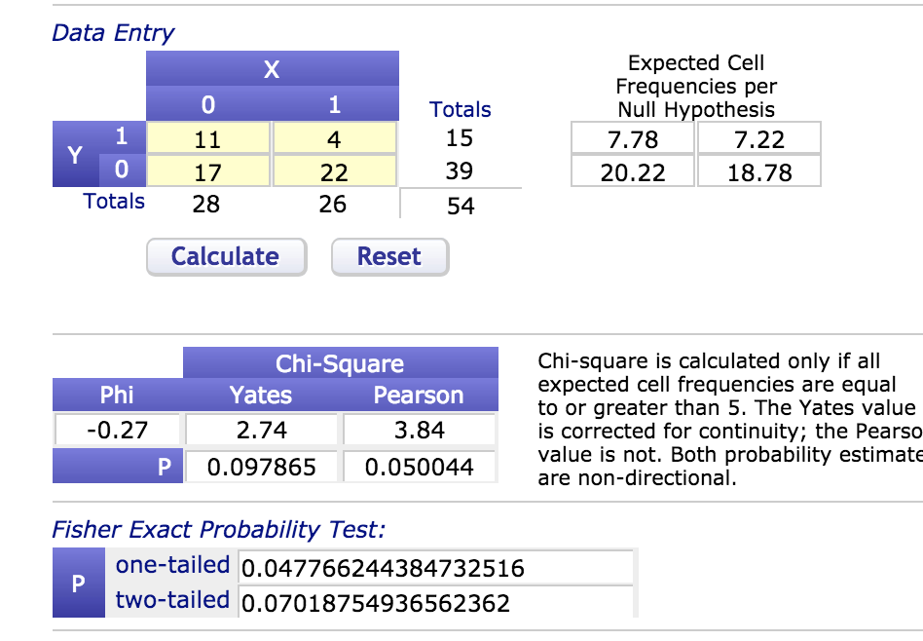

 |  |  |  |  |  |  | 5.00 |  |  |  |  |  | 23456 | 39 | 17 | 0.4358974359

Tom
 | Subject ID | Gender | DOB | Test date | 2nd Test date | interval | Age | First task | testing order | ToM_ass_T | ToM_choice | Germ_ass_T | Germ_choice | Psych_ass_T | Psychosomatic_choice |  | ToM checking | other checking
29 | IEP2-58 | Female | 41439 | 43139 | 43143 | 4 | 4.6543463381 | crayon | B2C2A2 | 0 | 0 | 1 | 1 | 0 | 1 |  | 0.88888888889 | 1
67 | OLF-1 | male | 41471 | 43224 | 43230 | 6 | 4.8 | crayon | C2A2B2 | 0 | 0 | 3 | 1 | 4 | 0 |  | 0.44444444444 | 1
19 | IEP2-65 | Female | 41254 | 43126 | 43132 | 6 | 5.1252566735 | Andy | A2B2C2 | 0 | 1 | 4 | 0 | 5 | 0 |  | 0.77777777778 | 1
26 | IEP1-121 | Female | 41592 | 43133 | 43136 | 3 | 4.219028063 | crayon | B1C1A2 | 0 | 1 | 2 | 1 | 4 | 1 |  | 0.88888888889 | 0
27 | IEP1-103 | Female | 41301 | 43133 | 43136 | 3 | 5.015742642 | crayon | C1A2B2 | 0 | 1 | 6 | 1 | 4 | 1 |  | 0.77777777778 | 0.66666666667
#REF! | LS-68 | Male | 41251 | 43154 | 43157 | 3 | 5.21 | crayon | A1B1C1 | 0 | 1 | 2 | 1 | 3 | 0 |  | 1 | 0.66666666667
38 | LS-37 | Male | 41240 | 43154 | 43157 | 3 | 5.24 | crayon | C1A1B2 | 0 | 1 | 0 | 1 | 0 | 1 |  | 1 | 0.33333333333
39 | LS-22 | Male | 41204 | 43154 | 43157 | 3 | 5.34 | crayon | A2B1C1 | 0 | 1 | 4 | 1 | 3 | 1 |  | 1 | 1
42 | LS-44 | Female | 41162 | 43160 | 43164 | 4 | 5.47 | Andy | B1C2A1 | 0 | 1 | 5 | 1 | 4 | 1 |  | 0.88888888889 | 1
59 | KS-5 | Female | 41463 | 43213 | 43220 | 7 | 4.794520548 | andy | A1B2C2 | 0 | 1 | 4 | 0 | 4 | 1 |  | 0.88888888889 | 0.33333333333
24 | IEP1-111 | Female | 41751 | 43133 | 43136 | 3 | 3.7837097878 | crayon | C2A1B2 | 1 | 0 | 0 | 0 | 1 | 1 |  | 0.88888888889 | 0.33333333333
28 | IEP1-128 | Female | 41500 | 43133 | 43140 | 7 | 4.4709103354 | crayon | A2B1C2 | 1 | 0 | 0 | 0 | 1 | 1 |  | 0.77777777778 | 0.33333333333
53 | RL-2 | Male | 41332 | 43199 | 43202 | 3 | 5.49 | Andy | C1A2B2 | 1 | 0 | 3 | 1 | 2 | 1 |  | 0.88888888889 | 0.33333333333
62 | OLF-2 | female | 41428 | 43224 | 43230 | 6 | 4.92 | crayon | A2B2C1 | 1 | 0 | 6 | 0 | 6 | 1 |  | 0.55555555556 | 0.66666666667
73 | GD-19 | female | 41474 | 43228 | 43234 | 6 | 4.81 | n/a | C2A2B1 | 1 | 0 | 0 | 1 | 0 | 0 |  | 0.88888888889 | 0.33333333333
75 | GD-6 | female | 41415 | 43229 | 43234 | 5 | 4.97 | andy | A2B2C2 | 1 | 0 | 1 | 1 | 1 | 1 |  | 0.88888888889 | 0.33333333333
30 | IEP2-45 | Female | 41538 | 43139 | 43143 | 4 | 4.3832991102 | crayon | C2A1B1 | 1 | 1 | 0 | 1 | 0 | 0 |  | 0.88888888889 | 0.33333333333
40 | LS-33 | Male | 41174 | 43160 | 43164 | 4 | 5.44 | Andy | A2B2C2 | 1 | 1 | 6 | 1 | 0 | 0 |  | 0.88888888889 | 1
58 | KS-11 | Male | 41248 | 43213 | 43217 | 4 | 5.383561644 | andy | B2C1A1 | 1 | 1 | 2 | 1 | 1 | 1 |  | 1 | 0.66666666667
72 | GD-21 | female | 41381 | 43228 | 43234 | 6 | 5.06 | andy | A2B1C1 | 1 | 1 | 6 | 1 | 4 | 0 |  | 1 | 0.66666666667
#REF! | IEP1-118 | Male | 41612 | 43147 | 43153 | 6 | 4.2 | crayon | A1B2C2 | 2 | 0 | 3 | 1 | 6 | 1 |  | 1 | 0.66666666667
35 | LS-53 | Male | 41296 | 43154 | 43157 | 3 | 5.09 | crayon | C2A2B2 | 2 | 0 | 5 | 1 | 6 | 1 |  | 0.77777777778 | 0.66666666667
66 | OLF-3 | Female | 41393 | 43224 | 43230 | 6 | 5.02 | crayon | B1C2A2 | 2 | 0 | 6 | 0 | 4 | 0 |  | 0.55555555556 | 1
28 | IEP2-61 | Male | 41766 | 43139 | 43143 | 4 | 3.7590691307 | crayon | B2C1A1 | 2 | 1 | 5 | 0 | 3 | 0 |  | 1 | 0.66666666667
#REF! | RL-11 | Female | 41196 | 43199 | 43202 | 3 | 5.49 | Andy | A1B2C1 | 2 | 1 | 5 | 1 | 4 | 0 |  | 0.88888888889 | 0.66666666667
41 | LS-54 | Male | 40955 | 43160 | 43164 | 4 | 6.04 | Andy | C1A1B1 | 3 | 0 | 6 | 1 | 3 | 0 |  | 1 | 0.66666666667
57 | KS-9 | Female | 41229 | 43213 | 43217 | 4 | 5.435616438 | Andy | C2A1B1 | 3 | 0 | 3 | 1 | 1 | 1 |  | 0.77777777778 | 0.66666666667
52 | RL-6 | Male | 41446 | 43199 | 43208 | 9 | 4.8 | Andy | A2B1C1 | 4 | 0 | 0 | 0 | 0 | 1 |  | 0.88888888889 | 0.33333333333
74 | GD-12 | male | 41401 | 43228 | 43234 | 6 | 5.01 | andy | B2C1A2 | 4 | 0 | 6 | 1 | 4 | 1 |  | 0.88888888889 | 1
20 | IEP2-67 | Male | 41444 | 43126 | 43129 | 3 | 4.605065024 | Andy | C1A1B1 | 4 | 1 | yesbias | yesbias | yesbias | yesbias |  | 1 | 0.66666666667
23 | IEP2-39 | Female | 41406 | 43126 | 43129 | 3 | 4.7091033539 | Andy | A1B2C1 | 4 | 1 | 5 | 1 | 1 | 1 |  | 0.88888888889 | 1
34 | IEP1-113 | male | 41708 | 43147 | 43153 | 6 | 3.94 | crayon | B1C2A2 | 4 | 1 | 6 | 0 | 5 | 0 |  | 0.44444444444 | 0.66666666667
44 | LS-3 | Female | 41046 | 43160 | 43164 | 4 | 5.79 | Andy | B2C1A2 | 4 | 1 | yesbias | yesbias | yesbias | yesbias |  | 1 | 0.33333333333
50 | RL-8 | Female | 41329 | 43199 | 43202 | 3 | 5.12 | Andy | C2A1B2 | 5 | 0 | 6 | 1 | 4 | 1 |  | 1 | 1
51 | RL-1 | Male | 41346 | 43199 | 43202 | 3 | 5.08 | Andy | B1C1A2 | 5 | 0 | 6 | 1 | 3 | 1 |  | 0.88888888889 | 1
54 | Zoo1 | Male | 40856 | 43193 | 43195 | 2 | 6.4 | crayon | C1A1B1 | 5 | 0 | 6 | 0 | 3 | 0 |  | 1 | 1
55 | Zoo2 | Female | 40971 | 43193 | 43195 | 2 | 6.09 | crayons | B1C2A1 | 5 | 0 | 6 | 0 | 3 | 0 |  | 0.55555555556 | 1
56 | WC-6 | Male | 41260 | 43206 | 43209 | 3 | 5.33 | Andy | A1B1C1 | 5 | 0 | 6 | 1 | 2 | 0 |  | 0.88888888889 | 1
#REF! | WC-4 | Male | 41221 | 43216 | 43223 | 7 | 5.4620123203 | crayon | B1C2A2 | 5 | 0 | 4 | 0 | 2 | 0 |  | 0.77777777778 | 1
71 | GD-20 | female | 41275 | 43228 | 43234 | 6 | 5.35 | andy | B2C2A1 | 5 | 0 | 6 | 1 | 3 | 0 |  | 1 | 0.66666666667 |  | 1 | 1 | 1 | 1 | 1
18 | IEP2-64 | Female | 41219 | 43126 | 43129 | 3 | 5.2210814511 | Andy | B2C1A2 | 5 | 1 | 6 | 1 | 6 | 0 |  | 1 | 1 |  | 2 | 1 | 1 | 1 | 1
70 | GD-9 | Male | 41256 | 43228 | 43234 | 6 | 5.4 | andy | C1A1B2 | 5 | 1 | 3 | 1 | 4 | 0 |  | 0.66666666667 | 0.66666666667 |  | 3 | 1 | 1 | 1 | 1
43 | LS-34 | Female | 41054 | 43160 | 43164 | 4 | 5.77 | Andy | C2A2B1 | 6 | 0 | 5 | 0 | 2 | 0 |  | 1 | 1 |  | 4 | 1 | 1 | 1 | 1
68 | GD-8 | male | 41178 | 43228 | 43234 | 6 | 5.62 | andy | B1C1A1 | 6 | 0 | 6 | 1 | 2 | 0 |  | 1 | 0.66666666667 |  | 5 | 1 | 1 | 1 | 1
69 | GD-14 | male | 41250 | 43228 | 43234 | 6 | 5.42 | andy | A1B1C2 | 6 | 0 | 6 | 0 | 6 | 1 |  | 0.66666666667 | 1 |  | 6 | 1 | 1 | 1 | 1
33 | IEP1-122 | Male | 41816 | 43147 | 43153 | 6 | 3.64 | crayon | C1A2B1 | 6 | 1 | yesbias | yesbias | yesbias | yesbias |  | 0.88888888889 | 0.66666666667 |  | 7 | 1 | 1 | 1 | 1
 |  |  |  |  |  |  |  |  |  |  |  |  |  |  |  |  |  |  |  | 8 | 1 | 1 | 1 | 1
 |  |  |  |  |  |  |  |  |  |  |  |  |  |  |  |  |  |  |  | 9 | 1 | 1 | 1 | 1
 |  |  |  |  |  |  |  |  |  |  |  |  |  |  |  |  |  |  |  | 10 | 1 | 1 | 1 | 1
 |  |  |  |  |  |  |  |  |  |  |  |  |  |  |  |  |  |  |  | 11 | 1 | 1 | 1 | 1
 |  |  |  |  |  |  |  | Tom |  |  |  |  |  |  |  |  |  |  |  | 12 | 1 | 1 | 0 | 1
 |  |  |  |  |  |  | 4.885577771 |  | 012 | 25 | 14 | 0.56 |  |  |  |  |  |  |  | 13 | 1 | 1 | 0 | 1
 |  |  |  |  |  |  | 5.249184695 |  | 3456 | 21 | 7 | 0.3333333333 |  |  |  | False-belief | Low performers | 56% |  | 14 | 1 | 1 | 0 | 1
 |  |  |  |  |  |  |  |  |  |  |  |  |  |  |  |  | High performers | 33% |  | 15 | 1 | 1 | 0 | 1
 |  |  |  |  |  | *For median split cuts after 2 for Tom and after 3 for Germ; not ideal way to balance ages otherwise |  |  |  |  |  |  |  |  |  | Germ | Low performers | 77% |  | 16 | 1 | 1 |  | 1
 |  |  |  |  |  |  |  |  |  |  |  |  |  |  |  |  | High performers | 56% |  | 17 | 1 | 1 |  | 1
 |  |  |  |  |  |  |  | Copied from germ |  |  |  |  |  |  |  | False-belief and Germ books | Low performers | 66% | 0.06986570801 | 18 | 1 | 1 | 0.4577377082 | 0
 |  |  |  |  |  |  |  |  | 0123 | 22 | 17 | 0.77272727273 |  |  |  |  | High performers | 47% | 0.06928122613 | 19 | 1 | 1 |  | 0
 |  |  |  |  |  |  |  |  | 456 | 32 | 18 | 0.5625 |  |  |  |  |  |  |  | 20 | 1 | 1 |  | 0
 |  |  |  |  |  |  |  |  |  |  |  |  |  |  |  | Psychosomatic Evidence book | Low performers | 73% | 0.1181873681 | 21 | 1 | 1 |  | 0
 |  |  |  |  |  |  |  |  |  |  |  |  |  |  |  |  | High performers | 44% | 0.08044135839 | 22 | 1 | 1 |  | 0
 |  |  |  |  |  |  |  |  |  |  |  |  |  |  |  |  |  |  |  | 23 | 1 | 1 |  | 0
 |  |  |  |  |  |  |  |  | 16 | 47 | 31 | 0.6595744681 |  |  |  |  |  |  |  | 24 | 1 | 1 |  | 0
 |  |  |  |  |  |  |  |  | 28 | 53 | 25 | 0.4716981132 |  |  |  |  |  |  |  | 25 | 1 | 1 |  | 0
 |  |  |  |  |  |  |  |  |  |  |  |  |  |  |  |  |  |  |  | 26 | 1 | 0 |  | 0
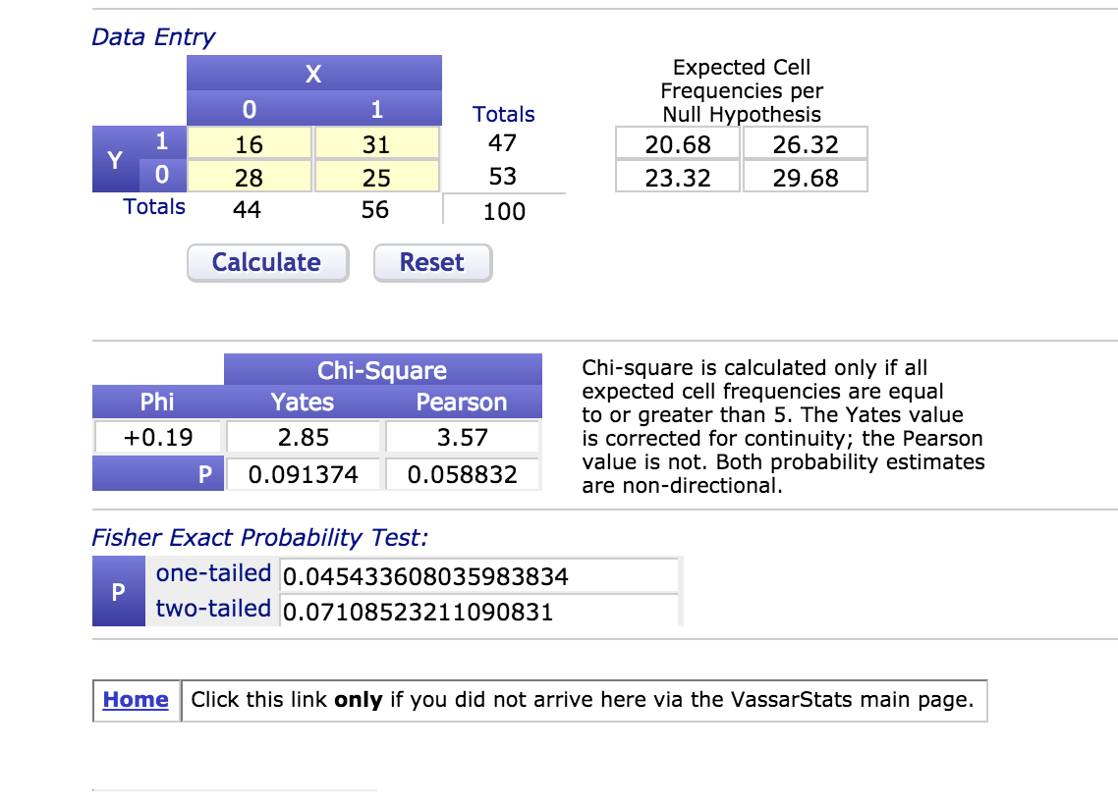
 |  |  |  |  |  |  |  |  |  |  |  |  |  |  |  |  |  |  |  | 27 | 1 | 0 |  | 0
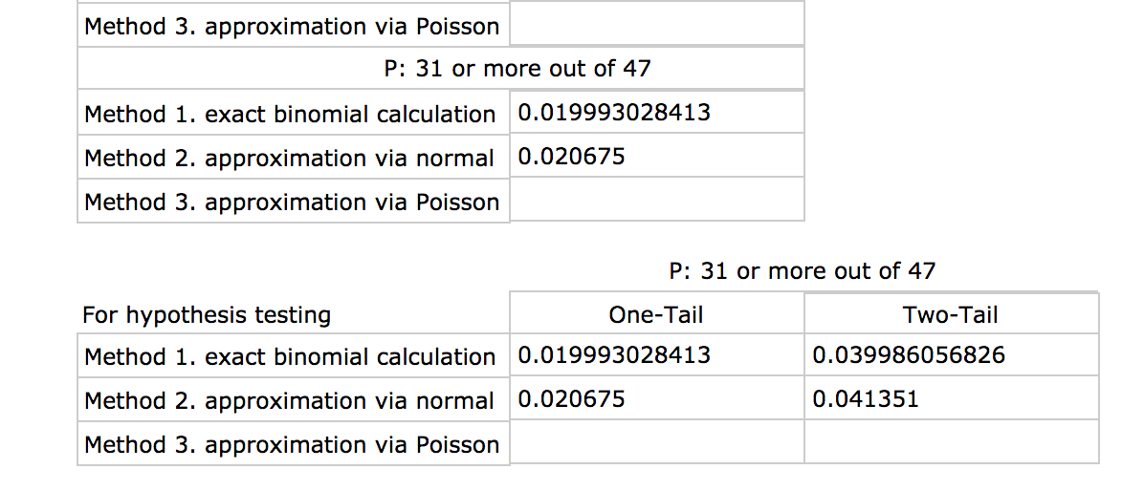
 |  |  |  |  |  |  |  |  |  |  |  |  |  |  |  |  |  |  |  | 28 | 1 | 0 |  | 0
 |  |  |  |  |  |  |  |  |  |  |  |  |  |  |  |  |  |  |  | 29 | 1 | 0 |  | 0
 |  |  |  |  |  |  |  |  |  |  |  |  |  |  |  |  |  |  |  | 30 | 1 | 0 |  | 0
 |  |  |  |  |  |  |  |  |  |  |  |  |  |  |  |  |  |  |  | 31 | 1 | 0 |  | 0
 |  |  |  |  |  |  |  |  |  |  |  |  |  |  |  |  |  |  |  | 32 | 0 | 0 |  | 0
 |  |  |  |  |  |  |  |  |  |  |  |  |  |  |  |  |  |  |  | 33 | 0 | 0 |  | 0
 |  |  |  |  |  |  |  |  |  |  |  |  |  |  |  |  |  |  |  | 34 | 0 | 0 |  | 0
 |  |  |  |  |  |  |  |  |  |  |  |  |  |  |  |  |  |  |  | 35 | 0 | 0 |  | 0
 |  |  |  |  |  |  |  |  |  |  |  |  |  |  |  |  |  |  |  | 36 | 0 | 0 |  | 0
 |  |  |  |  |  |  |  |  |  |  |  |  |  |  |  |  |  |  |  | 37 | 0 | 0 |  | 0
 |  |  |  |  |  |  |  |  |  |  |  |  |  |  |  |  |  |  |  | 38 | 0 | 0 |  | 0
 |  |  |  |  |  |  |  |  |  |  |  |  |  |  |  |  |  |  |  | 39 | 0 | 0 |  | 0
 |  |  |  |  |  |  |  |  |  |  |  |  |  |  |  |  |  |  |  | 40 | 0 | 0
 |  |  |  |  |  |  |  |  |  |  |  |  |  |  |  |  |  |  |  | 41 | 0 | 0
 |  |  |  |  |  |  |  |  |  |  |  |  |  |  |  |  |  |  |  | 42 | 0 | 0
 |  |  |  |  |  |  |  |  |  |  |  |  |  |  |  |  |  |  |  | 43 | 0 | 0
 |  |  |  |  |  |  |  |  |  |  |  |  |  |  |  |  |  |  |  | 44 | 0 | 0
 |  |  |  |  |  |  |  |  |  |  |  |  |  |  |  |  |  |  |  | 45 | 0 | 0 |  | 0.5023561221
 |  |  |  |  |  |  |  |  |  |  |  |  |  |  |  |  |  |  |  | 46 | 0 | 0
 |  |  |  |  |  |  |  |  |  |  |  |  |  |  |  |  |  |  |  | 47 | 0 | 0
 |  |  |  |  |  |  |  |  |  |  |  |  |  |  |  |  |  |  |  | 48 |  | 0
 |  |  |  |  |  |  |  |  |  |  |  |  |  |  |  |  |  |  |  | 49 |  | 0
 |  |  |  |  |  |  |  |  |  |  |  |  |  |  |  |  |  |  |  | 50 |  | 0
 |  |  |  |  |  |  |  |  |  |  |  |  |  |  |  |  |  |  |  | 51 |  | 0
 |  |  |  |  |  |  |  |  |  |  |  |  |  |  |  |  |  |  |  | 52 |  | 0
 |  |  |  |  |  |  |  |  |  |  |  |  |  |  |  |  |  |  |  | 53 |  | 0

 |  |  |  |  |  |  |  |  |  |  |  |  |  |  |  |  |  |  |  |  | 0.4789751625 | 0.5043749395

